qns for 2 excel-Holidays + This
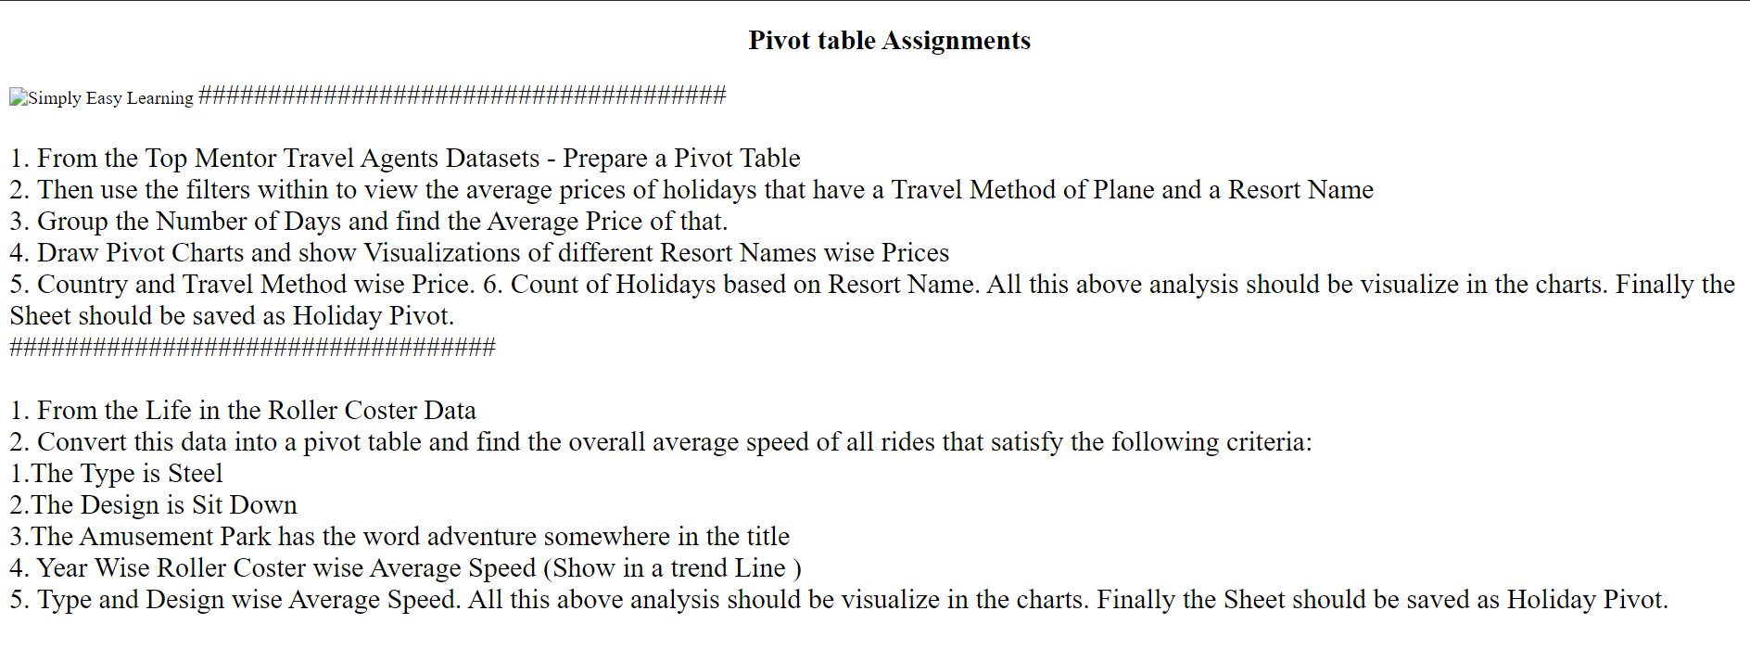

represenatation
Row Labels | Average of Speed ( mph ) |  | Row Labels | Average of Speed ( mph ) |  |  | Row Labels | Average of Speed ( mph )
Steel | 42.72173913 |  | Flying | 47 |  |  | Adventure Island | 43.5
Wood | 42 |  | Inverted | 51 |  |  | Chessington World of Adventures | 36.5
Grand Total | 42.664 |  | Sit Down | 41 |  |  | Grand Total | 38.833333333
 |  |  | Stand Up | 53
 |  |  | Suspended | 45
 |  |  | Grand Total | 42.664

 |  |  |  |  |  |  | The adventures amusement park are two types-
 |  |  |  |  |  |  | Adventure island has more average speed (43.5>36.5)than chessington
The steel Roller costers have more speed

 |  | The sit down type has an average speed of 41.

Row Labels | Average of Speed ( mph ) |  |  |  | Row Labels | Average of Speed ( mph )
1932 | 45 |  |  |  | Steel | 42.72173913
Roller Coaster | 45 |  |  |  | Flying | 47
1933 | 35 |  |  |  | Inverted | 51
Roller Coaster | 35 |  |  |  | Sit Down | 41
1988 | 26.8 |  |  |  | Stand Up | 53
New Roller Coaster | 26.8 |  |  |  | Suspended | 45
2000 | 28 |  |  |  | Wood | 42
Roller Coaster | 28 |  |  |  | Sit Down | 42
Grand Total | 33.7 |  |  |  | Grand Total | 42.664

The roller coster operating since 1932, which is the oldest has the highest average speed (45)
then if we see, the average speed tend to decrease and the new type has the lowest average speed, opened in 1988 (26.8) |  |  |  |  |  |  | All the steel types have more average speed than the wood type- Sit down (42)
 |  |  |  |  |  |  | Highest steel type average speed is 53- Stand up type

